Sheet1
 |  | Document No. | Issue No. | Issue Date |  |  | Review and Replace Date |  |  | Authorised By
 |  | GFF282MC | 1 | 30.03.2021 |  |  | New Issue |  |  | Magda Shah
 |  | Document Title | Keralan Cod with Black Rice 430g
Document amendments reason for change |  | New product launch |  |  | Previous Issue Date |  |  | New Issue |  | Uncontrolled copy unless signed original

FFKCR-R8TMC | MINDFUL CHEF |  | Keralan Cod with Black Rice 430g | FROZEN
STEP 1 |  |  |  |  |  | STEP 2
 |  |  |  |  |  | 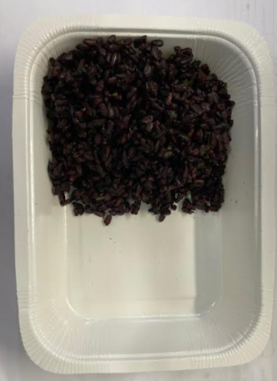

Tray: WHITE OVENABLE BOARD TRAY (PKSOU002-01) |  |  |  |  |  | Black Rice (GFF238R): 120g
HAND SEALER: Mylar 25OLAF 145mm x 500 (PKWRA001-07)
LINE 1: Mylar 250LAF 250mm x 1000 (PKWRA001-08)
LINE 1: K-Peel 75G + AF 25 250mm (PKKMP001-01)
STEP 3 |  |  |  |  |  | STEP 4
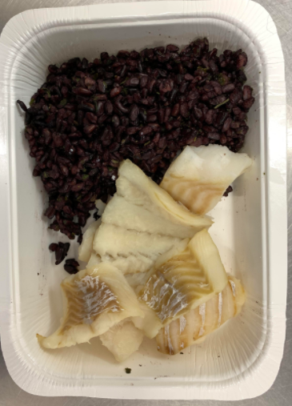 |  |  |  |  |  | 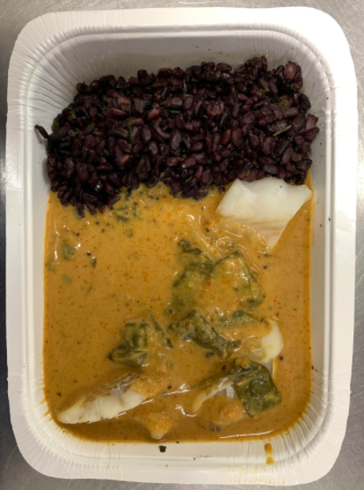

Steamed Cod Fish (GFF363R): 85g |  |  |  |  |  | Keralan Curry Sauce (MC) (GFF362R): 225g |  |  | Total Weight: 430g

ALLERGY ALERT: FISH, MUSTARD

